Bug Report
Bug ID: | Title: | Environment: | Preconditions: | Steps: | Expected Result: | Actual Result: | Severity: | Priority: | Attachments:
1 | People Search returns 2nd-degree connections when only 1st & 3rd+ filters are selected | Web – LinkedIn People Search | *User logged in *Connections exist from 1st, 2nd, 3rd degrees | *Go to People Search *Open “Connections filter” Select: 1st 3rd+ *Click “Show results” *Observe the returned profiles |  | Some results appear as 2nd-degree connections No 1st-degree profiles appear Rest are 3rd-degree | Medium (Filter logic failure) | High (Core feature)
2 | People Search returns all profiles from United States when multiple locations are selected | Web – LinkedIn People Search | *User logged in *People Search accessible | *Go to LinkedIn → Search → People *Open Locations filter *Select India + United States → Apply filters *Observe results | Only profiles from India OR United States should appear No profiles from other locations | United States selection returns all profiles, ignoring India Results are not correctly filtered based on selected locations | High (Core feature – filtering fails with multiple locations) | High
3 | Delete message “for me” does not exist | Web: Chrome 131, Windows 11 Mobile: Android 15, LinkedIn app v10.2.1 | User logged in Message sent less than 1 hour ago | 1. Open any conversation | Message should be replaced with “This message was deleted” only for the sender | Message still fully visible to the sender (only disappears for the recipient) | High | High | 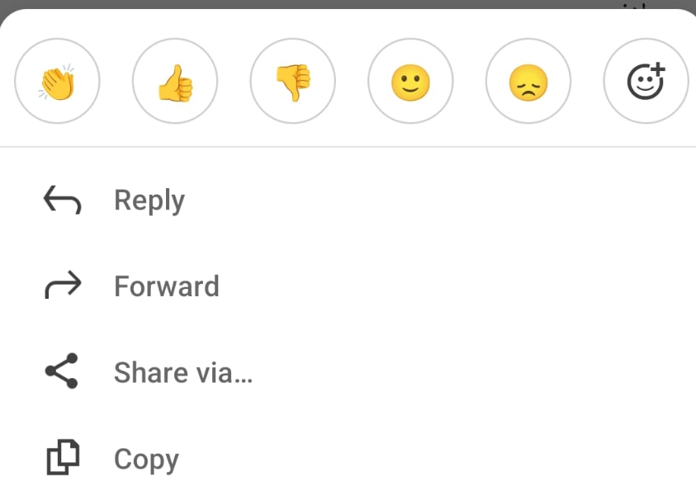
 |  |  |  | 2. Long press own sent message
 |  |  |  | 3. Choose “Delete for me”
 |  |  |  | 4. Confirm
4 | Search inside conversation does not Exist | Web: Chrome 131, Windows 11 Mobile: Android 15, LinkedIn app v10.2.1 | Conversation has 20+ messages | 1. Open old conversation | Chat should scroll and highlight all messages containing the keyword | Search returns “No results found” even when the keyword exists in older messages | Medium | High | 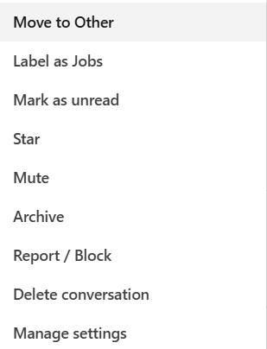
 |  |  |  | 2. Click search icon inside chat
 |  |  |  | 3. Type existing keyword
 |  |  |  | 4. Press Enter
5 | Archive conversation does not remove it from main list | Web: Chrome 131, Windows 11 Mobile: Android 15, LinkedIn app v10.2.1 | Active conversation with recent messages | 1. Open any conversation | Conversation should disappear from the main inbox list | Conversation remains visible in the main list with full content (only a tiny “archived” label appears) | Medium | Medium | 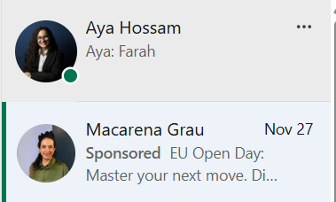
 |  |  |  | 2. Click More (three dots)
 |  |  |  | 3. Click Archive
 |  |  |  | 4. Go back to messaging list

